Sheet1
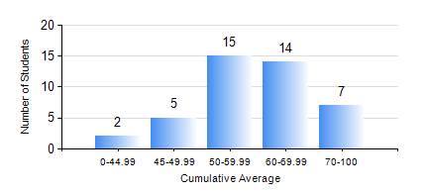
 |  |  | KWAME NKRUMAH UNIVERSITY OF SCIENCE AND TECHNOLOGY, KUMASI Department of Mechanical Engineering

 |  |  | BSC. MARINE ENG.

 |  |  | COMPREHENSIVE RECORD OF EXAMINATION RESULTS

 |  |  | RESULTS OF YEAR 1 SECOND SEMESTER, 2023/2024 ACADEMIC YEAR

 | Sn | Course Code |  | Course Name | Credit Hours | Min. Mark | Max. Mark | Avg. Mark | Std. Dev. | No. Passed | No. Trailed | No. (Df) | No. (I) | No. (I*) | No. Tagged(I,I*,Df) | Total
 | 0. |  |  |  |  |  |  | 0 | 0 | 0 | 0 | 0 | 0 | 0 | 0 | 1
 | 1. | EE 152 |  | BASIC ELECTRONICS | 2 | 28 | 72 | 51 | 12.12 | 36 | 6 | 0 | 0 | 0 | 0 | 42
 | 2. | ENGL 158 |  | COMMUNICATION SKILLS II | 2 | 20 | 96 | 72 | 13.83 | 41 | 1 | 0 | 0 | 0 | 0 | 42
 | 3. | FC 182 |  | FRENCH FOR COMMUNICATION II | 2 | 29 | 86 | 67 | 11.62 | 41 | 1 | 0 | 0 | 0 | 0 | 42
 | 4. | MATH 152 |  | CALCULUS WITH ANALYSIS | 4 | 19 | 82 | 63 | 10.92 | 41 | 1 | 0 | 0 | 0 | 0 | 42
 | 5. | ME 160 |  | ENGINEERING DRAWING | 3 | 19 | 81 | 57 | 13.23 | 41 | 1 | 0 | 0 | 0 | 0 | 42
 | 6. | ME 164 |  | STATICS OF SOLID MECHANICS | 2 | 21 | 96 | 73 | 18.31 | 39 | 3 | 0 | 0 | 0 | 0 | 42
 | 7. | ME 168 |  | COMPUTER PROGRAMMING FOR ENGINEERS | 2 | 5 | 84 | 53 | 18.47 | 36 | 6 | 0 | 0 | 0 | 0 | 42
 | 8. | MME 174 |  | MARINE ENGINEERING DESIGN PROJECT I | 2 | 50 | 77 | 67 | 5.48 | 42 | 0 | 0 | 0 | 0 | 0 | 42

